Sheet1
 |  |  |  | Highlights (labels)
 |  |  |  | US FED Rate cut
 |  |  |  | NASDAQ is Up
 |  |  |  | INR Falling
Date | 27/12/2024 |  |  | US 10 Yr TreasuryBond yeald UP
Highlights (labels) | NASDAQ is Up, INR Falling, US 10 Yr TreasuryBond yeald UP
Day Note | US to increase Import tax, Russia - Ukrain Tension increased
 | chart label | image | Note
Charts | day chart | 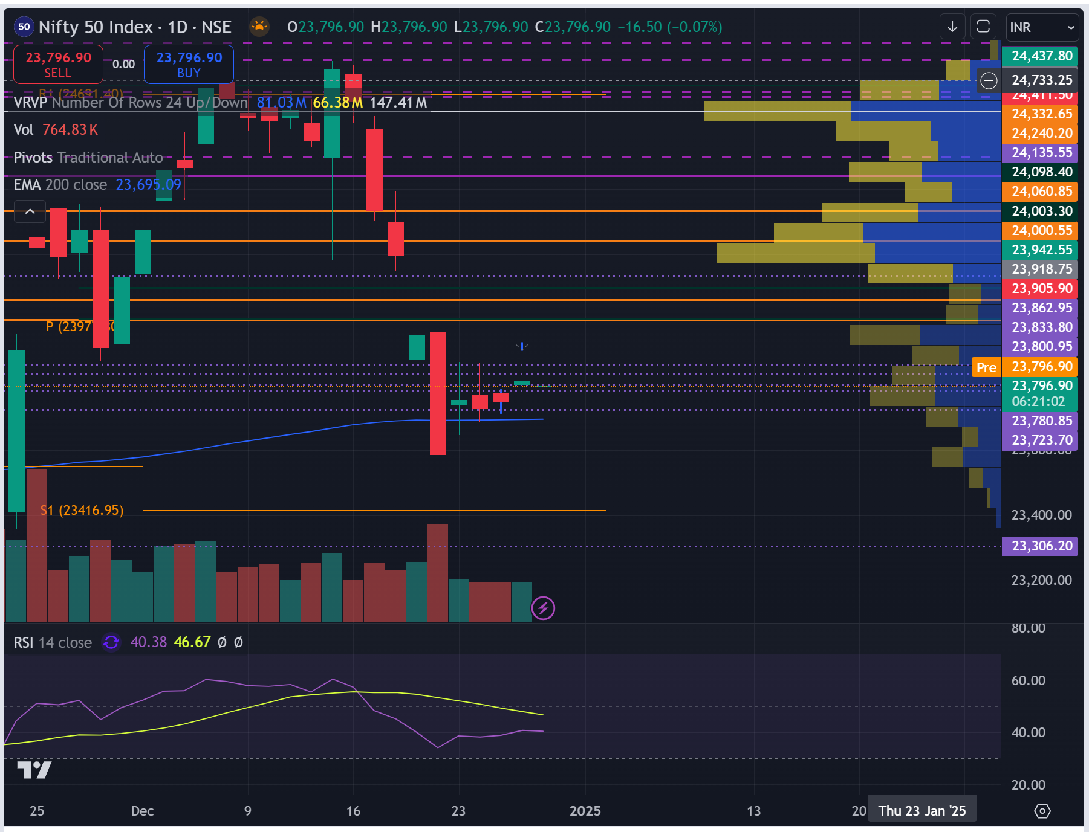 | Bullish Inverted Hammer Candlestick
 | 1hr chart | 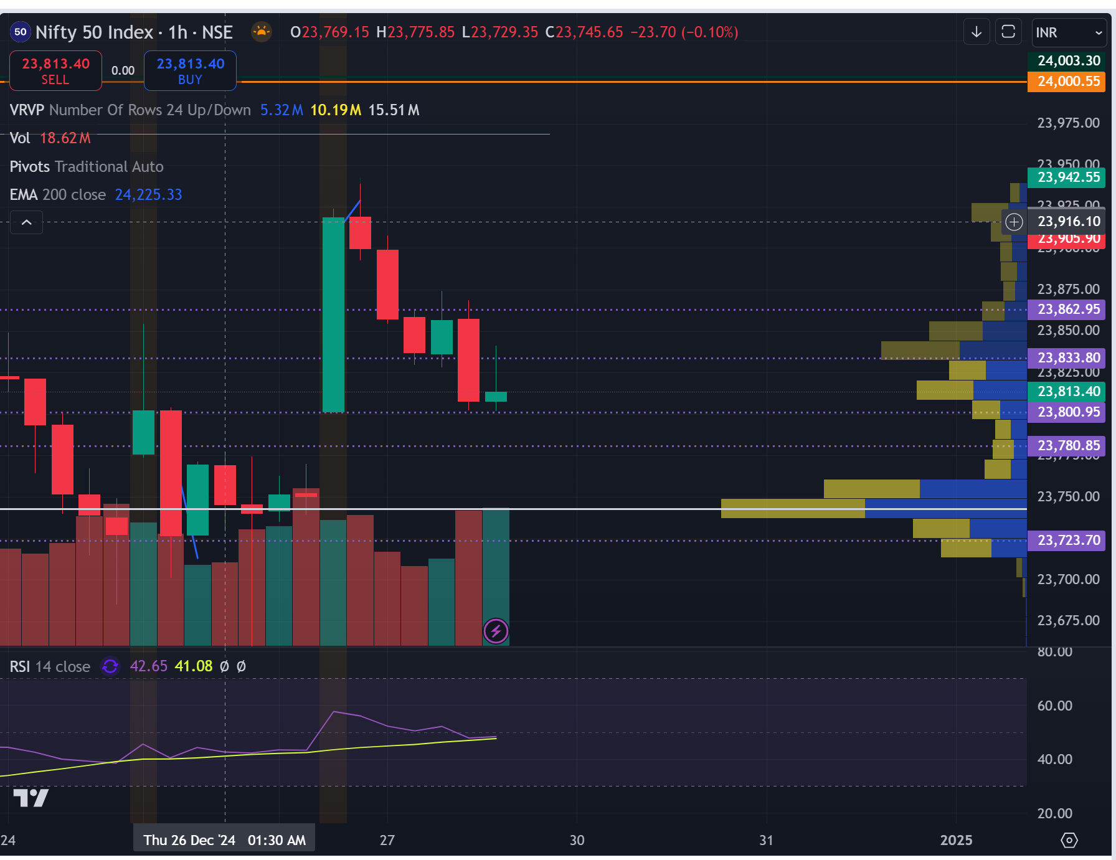 | Failed to break open
 | 15min chart | 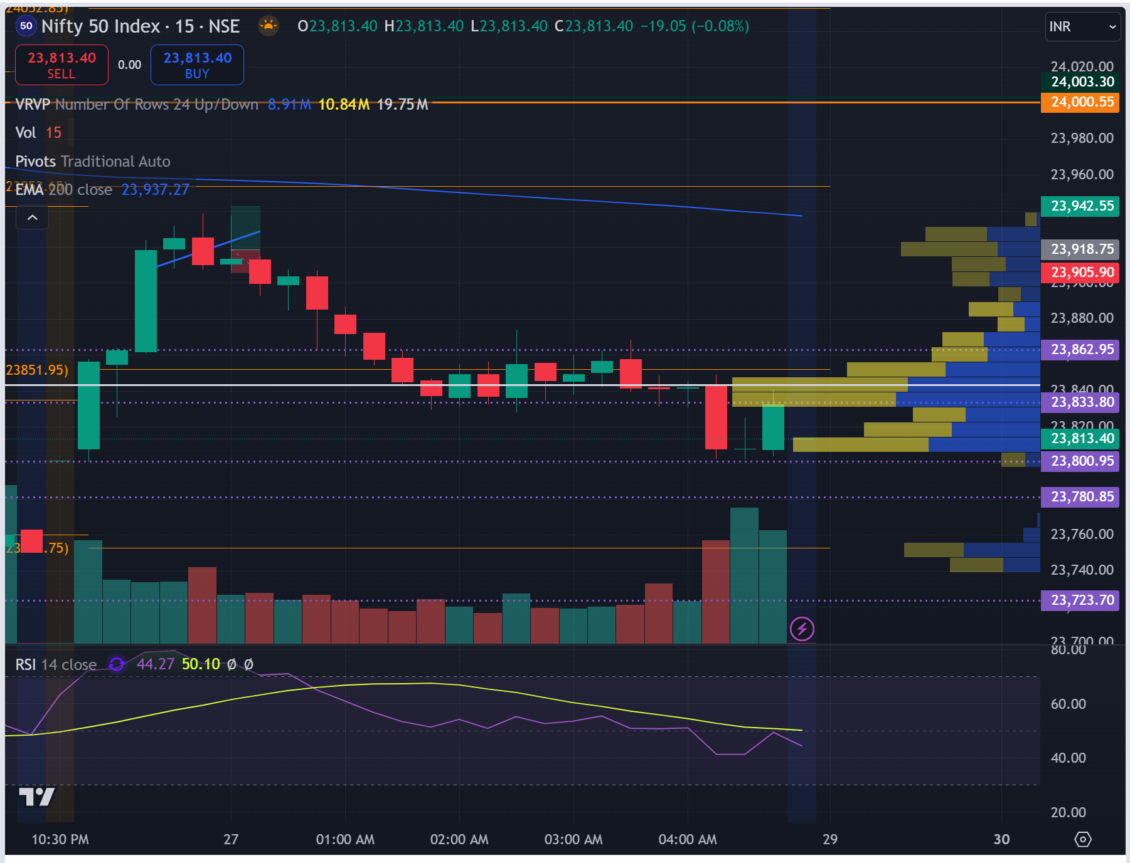
 | 5min chart | 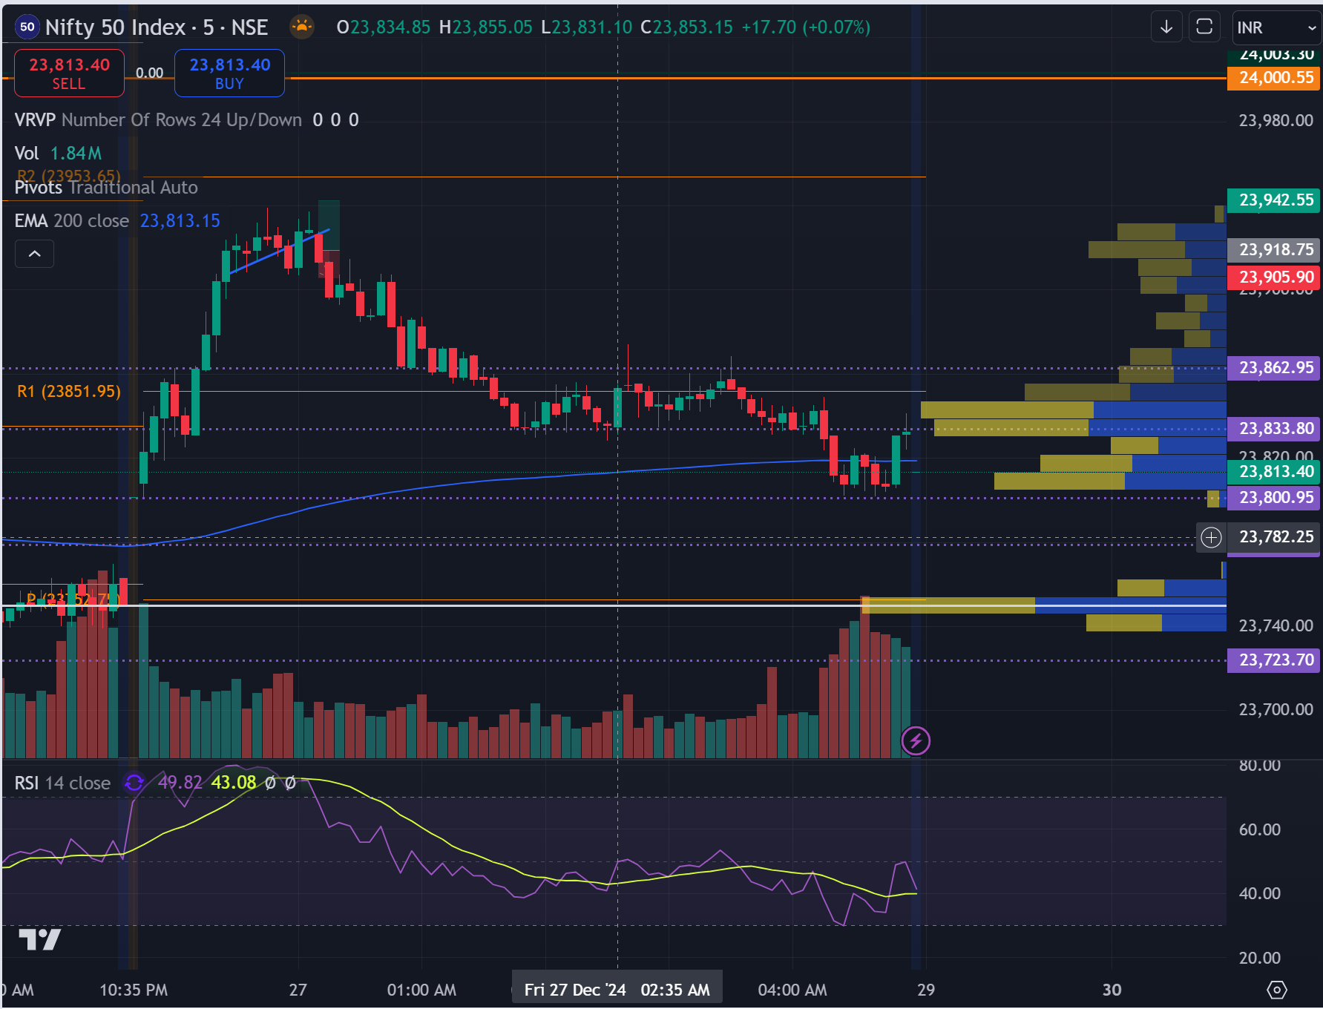
 | 1min chart | 